Use_Case
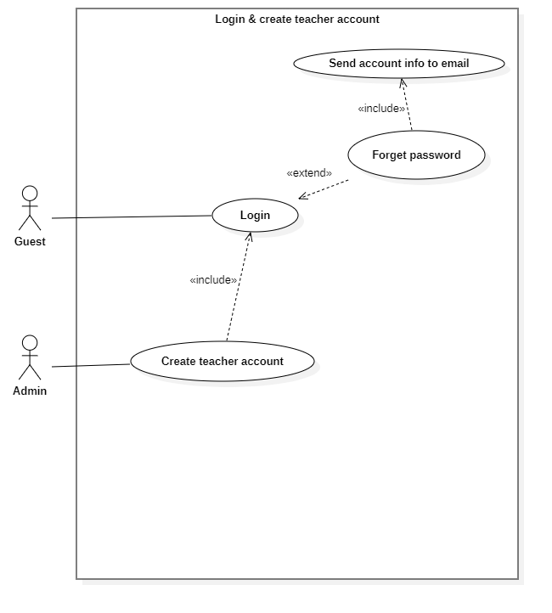
6.3.1.4 Đăng nhập và tạo tài khoản giáo viên

Class_Diagram
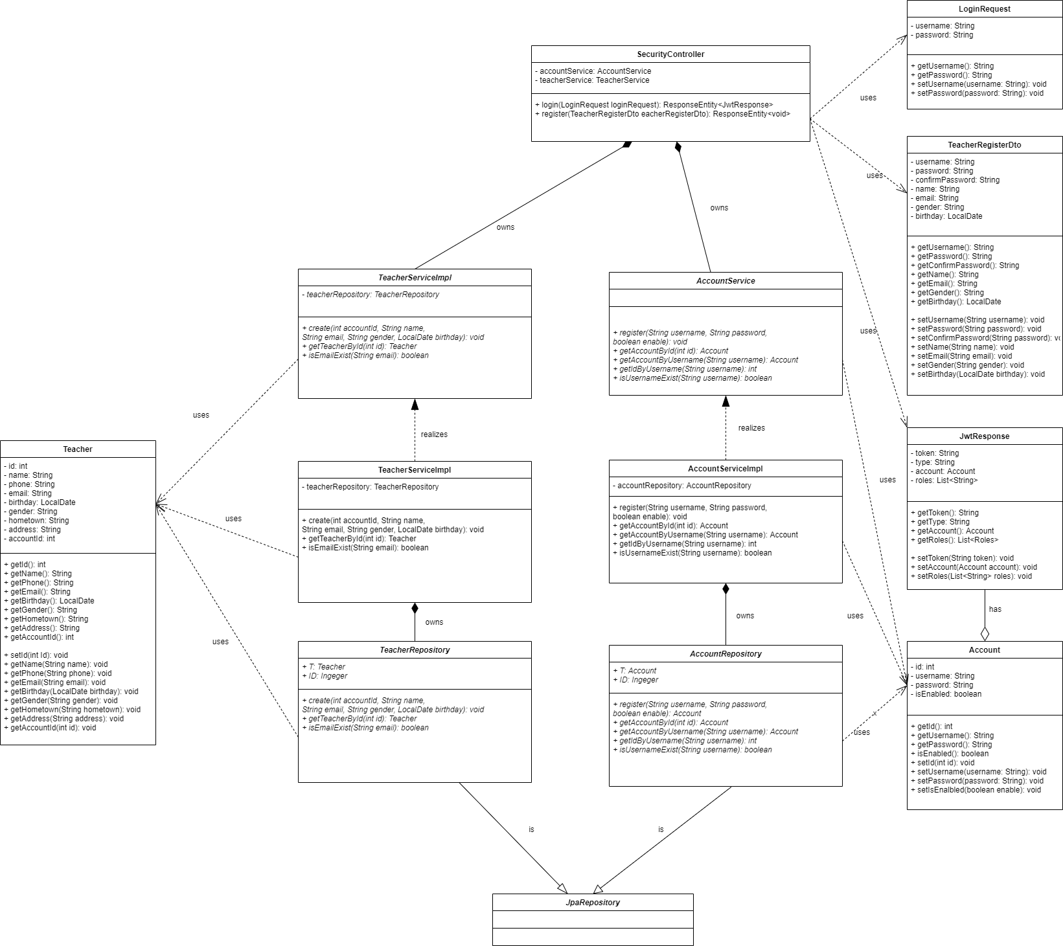
6.1.1 Đăng nhập
6.1.2 Đăng xuất khỏi hệ thống
6.2.4 Tạo tài khoản đăng nhập cho giáo viên "

Sequence_Diagram
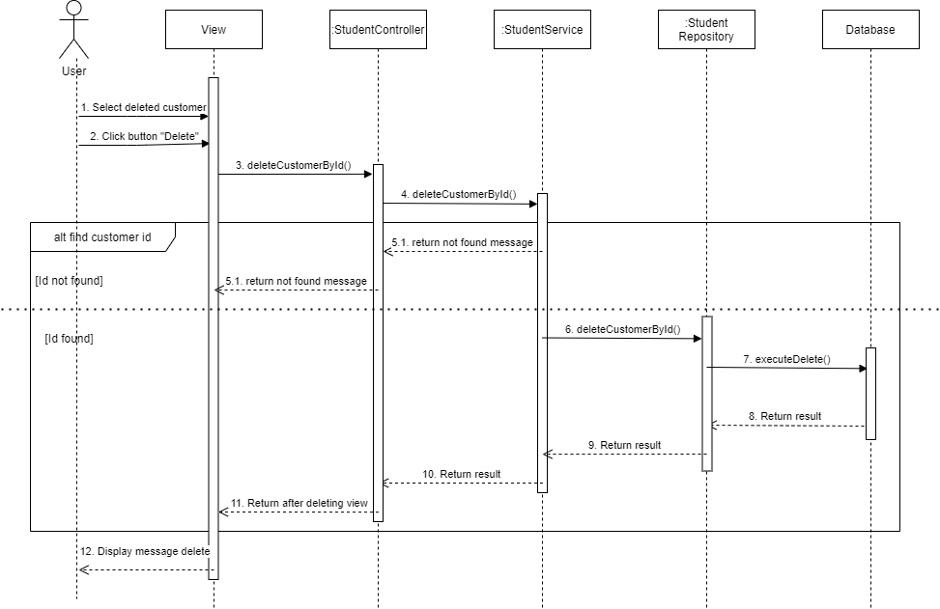
6.3.1.4 Màn hình sửa thông tin khách hàng

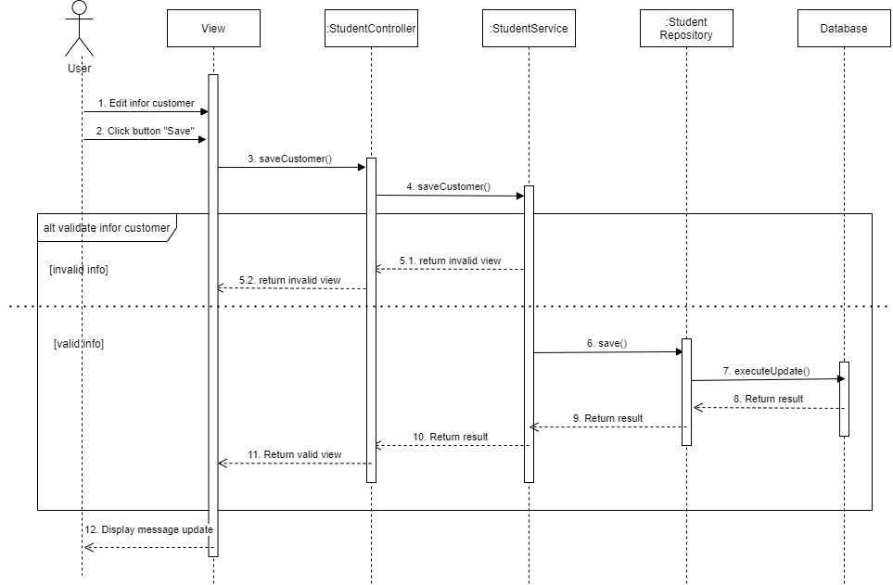

6.3.1.2 Màn hình xóa khách hàng

